claim DB
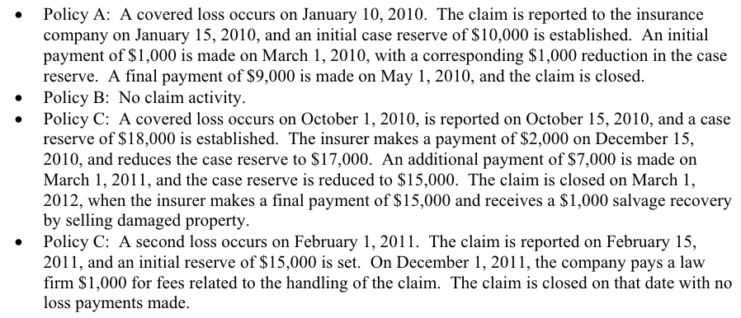

Claim id | Policy Id | date of loss | report date | transaction date | paid loss | case reserve | ALAE | S&S | status
1 | A | 2010-01-10 | 2010-01-15 | 2010-01-15 | - | 10,000 | - | - | open
1 | A | 2010-01-10 | 2010-01-15 | 2010-03-01 | 1,000 | 9,000 | - | - | open
1 | A | 2010-01-10 | 2010-01-15 | 2010-05-01 | 9,000 | - | - | - | closed
2 | C | 2010-10-01 | 2010-10-15 | 2010-10-15 | - | 18,000 | - | - | open
2 | C | 2010-10-01 | 2010-10-15 | 2010-12-15 | 2,000 | 17,000 | - | - | open
2 | C | 2010-10-01 | 2010-10-15 | 2011-03-01 | 7,000 | 15,000 | - | - | open
2 | C | 2010-10-01 | 2010-10-15 | 2010-03-01 | 15,000 | - | - | -1,000 | closed
3 | C | 2011-02-01 | 2011-02-15 | 2011-02-15 | - | 15,000 | - | - | open
3 | C | 2011-02-01 | 2011-02-15 | 2011-12-01 | - | - | 1,000 | - | closed

